Fernandos SY25
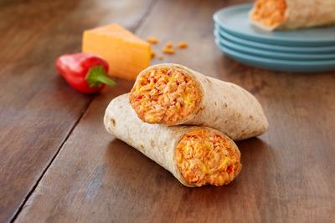 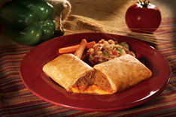
 | Description | Commerical | Servings/cs. | Portion Size | Commerical Portion Cost | PTV | NET Pricing | Commodity Portion Cost | Savings per portion | Total Cs needed | Total Servings | Net Savings$ | Commodity Pounds/Cs | Total Drawdown | First Ship Date
Fernando's Burritos
5210 | WG Beef Chili, Cheese & Bean Fiesta Layered Burrito PF CN | $57.63 | 60 | 5.0 oz. | $0.96 | $3.68 | $53.95 | $0.90 | $0.06 | 0 | 0 | $- | 0.00 | 0.00
5211 | WG Taco Snack Burrito CN | $58.71 | 60 | 5.0 oz. | $0.98 | $3.62 | $55.09 | $0.92 | $0.06 | 0 | 0 | $- | 0.00 | 0.00
5213 | WG Cheesey Chicken Burrito CN | $57.90 | 60 | 5.0 oz. | $0.97 | $4.02 | $53.88 | $0.90 | $0.07 | 0 | 0 | $- | 0.00 | 0.00
5216 | WG Cheese & Bean Red Chili Fiesta Layered Burrito CN | $60.40 | 60 | 5.0 oz. | $1.01 | $5.57 | $54.83 | $0.91 | $0.09 | 0 | 0 | $- | 0.00 | 0.00
5218 | WG Beff, Cheese & Bean Fiesta Burrito CN | $57.02 | 60 | 5.0 oz. | $0.95 | $3.28 | $53.74 | $0.90 | $0.05 | 0 | 0 | $- | 0.00 | 0.00
5220 | WG Egg & Cheese Breakfast Burrito CN | $68.50 | 90 | 3.5 Oz. | $0.76 | $3.98 | $64.52 | $0.72 | $0.04 | 0 | 0 | $- | 0.00 | 0.00
5221 | WG Pork Sausage, Egg & Cheese Breakfast Burrito CN | $72.83 | 90 | 3.5 Oz. | $0.81 | $3.30 | $69.53 | $0.77 | $0.04 | 0 | 0 | $- | 0.00 | 0.00
5811 | WG Taco Snack Burrito CN Individually Wrapped | $96.72 | 96 | 5.0 oz. | $1.01 | $5.81 | $90.91 | $0.95 | $0.06 | 0 | 0 | $- | 0.00 | 0.00
5818 | WG Beef, Cheese & Bean Fiesta Layered Burrito CN IW | $102.24 | 96 | 5.0 oz. | $1.07 | $5.26 | $96.98 | $1.01 | $0.05 | 0 | 0 | $- | 0.00 | 0.00
5828 | WG Egg, Turkey Sausage, Potato & Cheese Breakfast Burrito CN | $79.50 | 96 | 3.5 Oz. | $0.83 | $4.02 | $75.48 | $0.79 | $0.04 | 0 | 0 | $- | 0.00 | 0.00
21072 | WG Tortilla Cheese, Beef, Bean & Red Chili Burritos PF CN | $71.12 | 72 | 4.75 oz. | $0.99 | $7.32 | $63.80 | $0.89 | $0.10 | 0 | 0 | $- | 0.00 | 0.00
21200 | WG Tortilla Cheese & Bean Burritos CN | $78.23 | 96 | 4.5 oz. | $0.81 | $6.44 | $71.79 | $0.75 | $0.07 | 0 | 0 | $- | 0.00 | 0.00
33212 | WG Cheese & Bean Burritos CN Individually Wrapped | $88.45 | 96 | 4.5 oz. | $0.92 | $6.44 | $82.01 | $0.85 | $0.07 | 0 | 0 | $- | 0.00 | 0.00
 |  |  |  |  |  |  |  |  |  | - |  | $- |  | -

